THE BODY BUMP
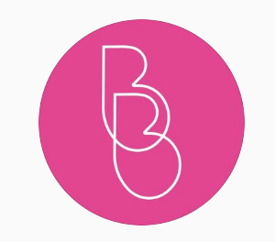
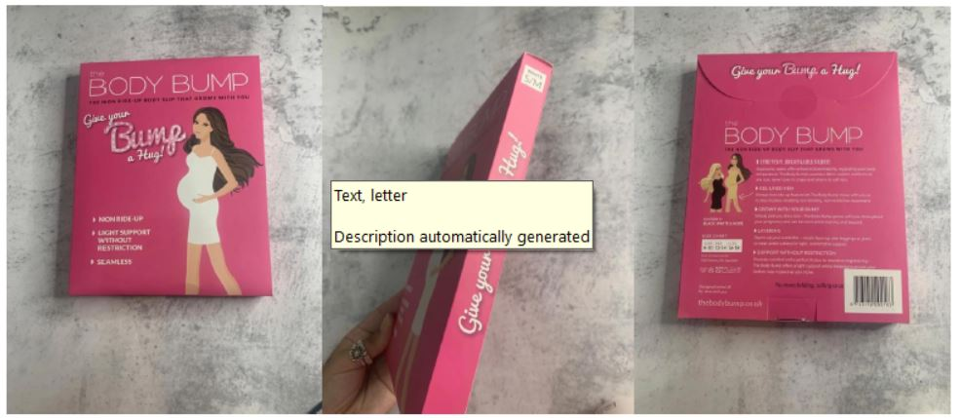

STYLE | COLOUR | SIZE | COO | FABRIC COMPS | QTY | RRP | TOTAL RRP
LEGGINGS STAR DESIGN | BLACK | S/M - M/L |  | 92% NYLON 8% SPANDEX | 266 | £42.00 | £11,172.00
LEGGINS | BLACK | S/M |  | 92% NYLON 8% SPANDEX | 266 | £42.00 | £11,172.00
LEGGINS | BLACK | M/L |  | 92% NYLON 8% SPANDEX | 93 | £42.00 | £3,906.00
LEGGINS | BLACK | L/XL |  | 92% NYLON 8% SPANDEX | 133 | £42.00 | £5,586.00
BODY SLIPS (DRESS) | NAVY | S/M |  | 92% NYLON 8% SPANDEX | 122 | £38.00 | £4,636.00
BODY SLIPS (DRESS) | NAVY | M/L |  | 92% NYLON 8% SPANDEX | 250 | £38.00 | £9,500.00
BODY SLIPS (DRESS) | NAVY | L/XL |  | 92% NYLON 8% SPANDEX | 110 | £38.00 | £4,180.00
BODY SLIPS (DRESS) | NUDE | S/M |  | 92% NYLON 8% SPANDEX | 737 | £38.00 | £28,006.00
BODY SLIPS (DRESS) | NUDE | M/L |  | 92% NYLON 8% SPANDEX | 681 | £38.00 | £25,878.00
BODY SLIPS (DRESS) | NUDE | L/XL |  | 92% NYLON 8% SPANDEX | 511 | £38.00 | £19,418.00
BODY SLIPS (DRESS) | WHITE | S/M |  | 92% NYLON 8% SPANDEX | 583 | £38.00 | £22,154.00
BODY SLIPS (DRESS) | WHITE | M/L |  | 92% NYLON 8% SPANDEX | 487 | £38.00 | £18,506.00
BODY SLIPS (DRESS) | WHITE | L/XL |  | 92% NYLON 8% SPANDEX | 112 | £38.00 | £4,256.00
BODY SLIPS (DRESS) | BLACK | S/M |  | 92% NYLON 8% SPANDEX | 393 | £38.00 | £14,934.00
BODY SLIPS (DRESS) | BLACK | M/L |  | 92% NYLON 8% SPANDEX | 925 | £38.00 | £35,150.00
BODY SLIPS (DRESS) | BLACK | L/XL |  | 92% NYLON 8% SPANDEX | 593 | £38.00 | £22,534.00
CAMI TOPS | WHITE | S/M |  | 92% NYLON 8% SPANDEX | 195 | £30.00 | £5,850.00
CAMI TOPS | WHITE | M/L |  | 92% NYLON 8% SPANDEX | 243 | £30.00 | £7,290.00
CAMI TOPS | WHITE | L/XL |  | 92% NYLON 8% SPANDEX | 142 | £30.00 | £4,260.00
CAMI TOPS | BLACK | S/M |  | 92% NYLON 8% SPANDEX | 240 | £30.00 | £7,200.00
CAMI TOPS | BLACK | M/L |  | 92% NYLON 8% SPANDEX | 249 | £30.00 | £7,470.00
CAMI TOPS | BLACK | L/XL |  | 92% NYLON 8% SPANDEX | 156 | £30.00 | £4,680.00
CAMI TOPS | NAVY | S/M |  | 92% NYLON 8% SPANDEX | 335 | £30.00 | £10,050.00
CAMI TOPS | NAVY | M/L |  | 92% NYLON 8% SPANDEX | 280 | £30.00 | £8,400.00
CAMI TOPS | NAVY | L/XL |  | 92% NYLON 8% SPANDEX | 166 | £30.00 | £4,980.00
 |  |  |  |  | 8268 |  | £301,168.00

